Map
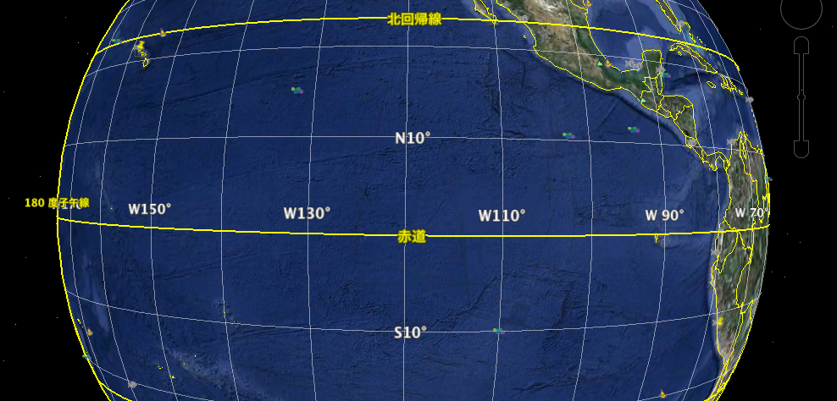
KH-12-1 Cruise Leg1
LIMA Jan. 29 – Feb. 19 HNL Feb. 22 – Mar. 7 TOKYO
HNL 21˚19’N
157˚54’W
LIM 12˚04’S
77˚08’W
HNL
LIMA
St1(L)
St2
St5(L)
St10(L)
St3
St4
St6
St7
St7
St8

